Statistics & Graph
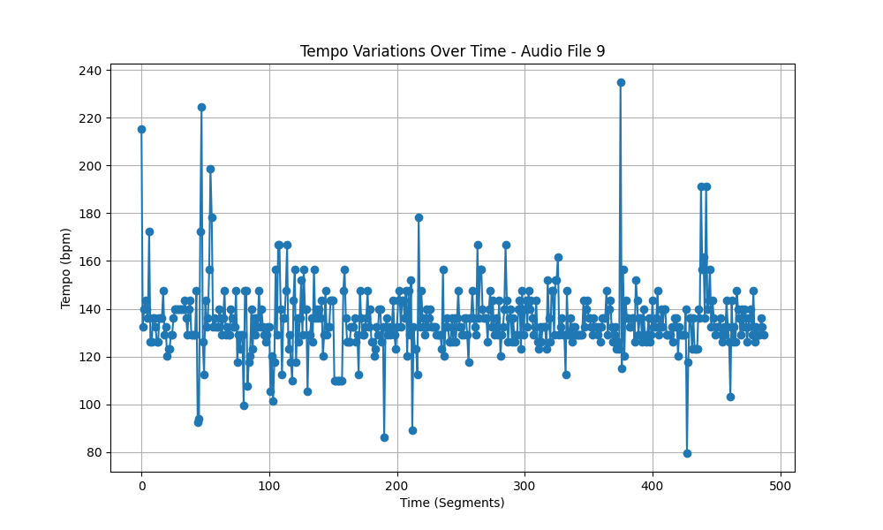
Metric | Value
Mean | 134.48401046
Standard Deviation | 14.425964528
Coefficient of Variation (CV) | 10.726899413

